силиконовые браслеты
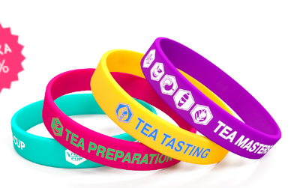
Силиконовый браслет
браслет шелкография 1цв | 5-7 раб дней | 5-7 раб дней | 16-20 раб дней | 16-20 раб дней | СРОК ИЗГОТОВЛЕНИЯ 5-7 рабочих дней
Количество | 202х12х2 (стандарт) | 202х20х2 | 202х25х2 | 202х6х2 (тонкий)
100 | 22 | 42 | 52
300 | 19 | 38 | 44 | 25
500 | 17 | 30 | 40 | 21
1000 | 14 | 26 | 36 | 17
3000 | 13 | 24 | 34 | 15
5000 | 11 |  |  | 14
10000 | 10 |  |  | 13

Дополнительно можно
добавить ещё один цвет нанесения | 4
сделать браслет светонакопительным | 2
упаковать каждый браслет в отдельный пакетик | 2

браслеты c выпуклыми прокрашенным логотипом
Количество | Цена
200 | 63
300 | 53
500 | 44
1000 | 36
2000 | 35
3000 | 33
5000 | 32

Дополнительно можно
добавить ещё один цвет нанесения | 6
добавить колечко на браслет | 6
сделать браслет светонакопительным | 4
упаковать каждый браслет в отдельный пакетик | 4
сегментировать браслет | 6

